SCRIPT
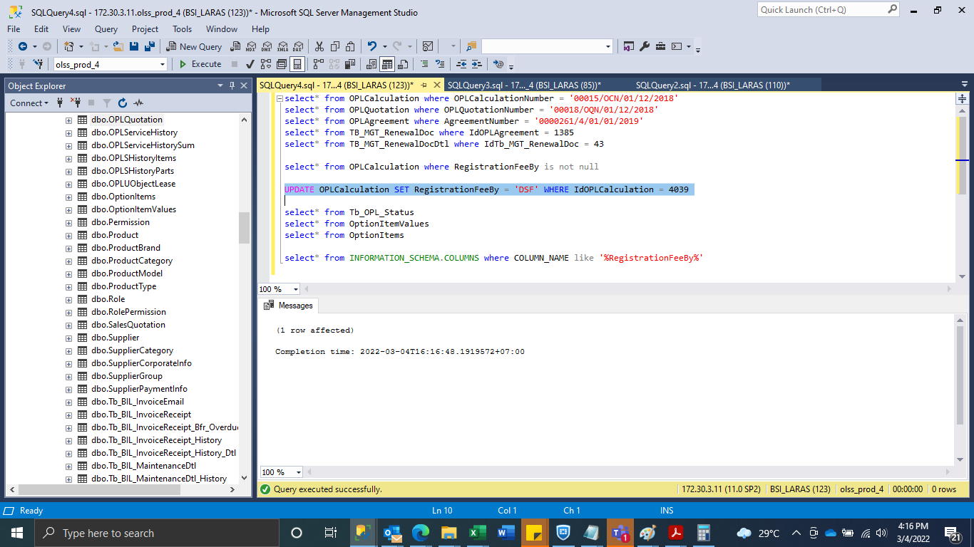
UPDATE OPLCalculation SET RegistrationFeeBy = 'DSF' WHERE IdOPLCalculation = 4039

SS
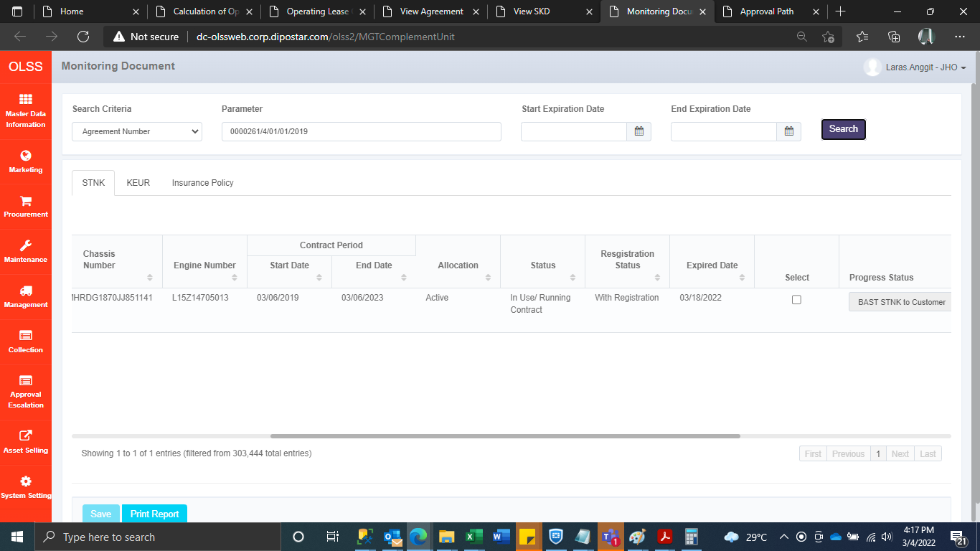
BEFORE
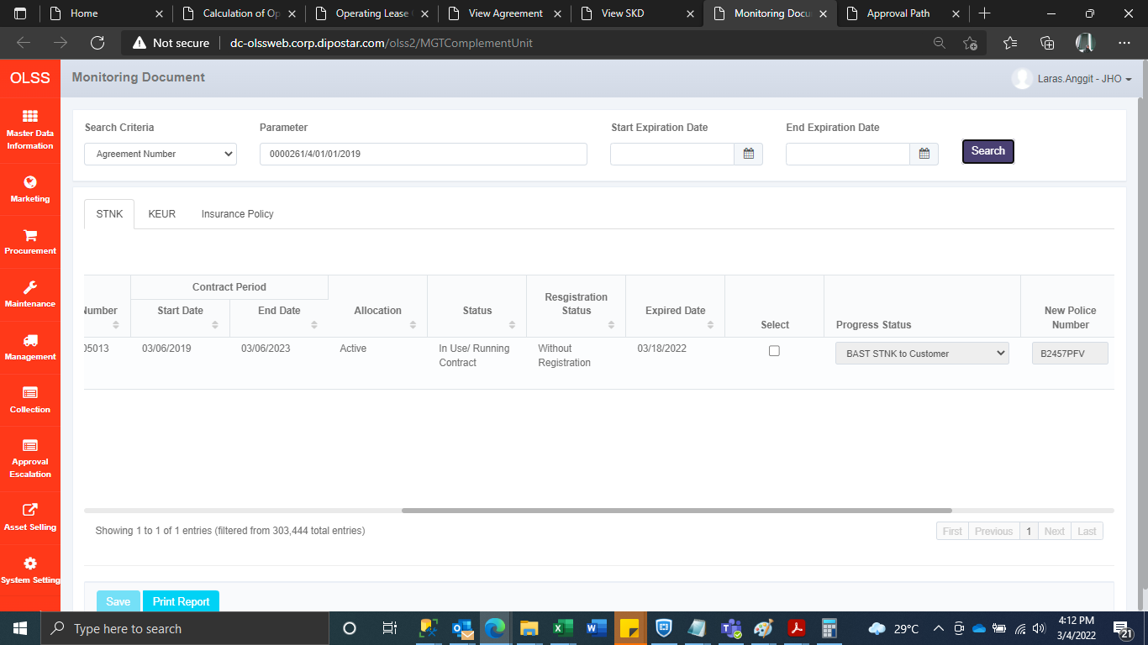

AFTER

